Introduction
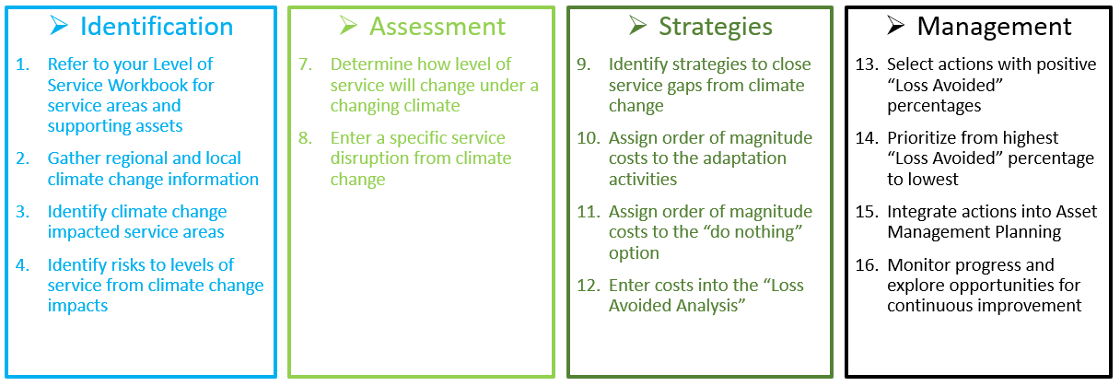

CLIMATE CHANGE
ADAPTATION WORKBOOK

This workbook provides climate data relevant to our municipality and an assessment of potential impacts
to infrastructure on a level of service basis. It identifies how different service areas may be affected by
predicted climate change effects and what adaptation activities may be required to protect services from
those impacts. Each adaptation activity is assessed against the "do nothing" option to aid in captial planning
activities through the lens of climate change by following this flow chart:

Projections
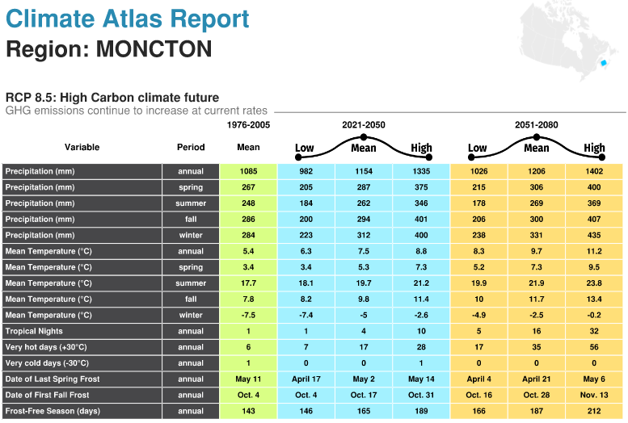
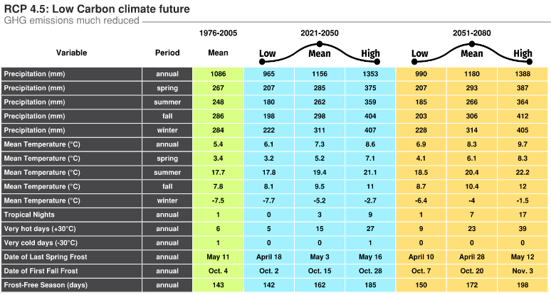
NOTE: Go to Climate Atlas of Canada: https://climateatlas.ca/map/home-page and download the
report for your region.
Representative Concentration Pathway (RCP): A representation of the "possible futures" depending on
how aggressive the global community is at curbing GHG emmissions. This is not a model uncertainty, it is
an input based on what we think we will actually do. Currently global efforts have us tracking RCP 8.5.

Sample Entry



CLIMATE RISK IMPACT ASSESSMENT WORKSHEET |  |  |  | CLIMATE RISK IMPACT ASSESSMENT WORKSHEET

Note: User Entry Fields are shown in blue. |  |  |  | Note: User Entry Fields are shown in blue.
Climate Change Event: |  | Hotter and Drier Summers |  | Climate Change Event: |  | Higher and More Frequent Storm Surges
Likely Projected Impact: |  | lower groundwater table for wells, reduction in rainfall input to surface reservoir |  | Likely Projected Impact: |  | Increased flooding along Coastal Drive, continuing erosion of bank supporting road
Timeframe: |  | 2050 - 2100 |  | Timeframe: |  | 2020 - 2025
Probability of Occurrence: | 3 | Possible |  | Probability of Occurrence: | 4 | Very Likely

Impacted | Potable Water |  |  | Impacted | Wastewater, Transportation
Service Area |  |  |  | Service Area
Key | water wells, natural reservoir |  |  | Key | wastewater collection infrastructure, road, sidewalks, shore armouring
Assets |  |  |  | Assets

Service | reduced groundwater and reservoir levels will result in increasing water restriction periods and potential lack of fire flow volume |  |  | Service | road may wash out and no longer function, lose pedestrian access, wastewater service not available to 65 homes
Disruption |  |  |  | Disruption
Consequence of Occurrence: | 3 | Moderate |  | Consequence of Occurrence: | 4 | Major

 | Cost | Strategy |  |  | Cost | Strategy
Strategies | $1,500,000.00 | Construct new water tower for greater resiliency through dry periods | A | Strategies | $250,000.00 | Construct temporary shore armouring to stop erosion | A
to | $500,000.00 | Construct a new groundwater well, booster pump and transmission line for non-potable emergency use only | B | to | $1,900,000.00 | Construct a new concrete wall, raise road, move wastewater line | B
Mitigate | $1,250,000.00 | Construct a new groundwater well, booster pump, treatment plant and transmission line | C | Mitigate | $800,000.00 | Construct a new sheet pile wall, leave road as is, drain runoff to the east | C
Service |  |  | D | Service |  |  | D
Disruptions |  |  | E | Disruptions |  |  | E
Do Nothing | $600,000.00 | Net present value of increased cost of fire losses over 80 years |  | Do Nothing | $1,200,000.00 | Failure of road and wastewater line would require successive replacement over lifetime
Costs | $500,000.00 | Net present value of annual reserve cost of emergency water provision |  | Costs | $50,000.00 | Staff time in dealing with fallout from service failure
And |  |  |  | And
Timeframes |  |  |  | Timeframes
(Net Present Value) | $1,100,000.00 | TOTAL ESTIMATED "Do nothing" Cost |  | (Net Present Value) | $1,250,000.00 | TOTAL ESTIMATED "Do nothing" Cost

LOSS AVOIDANCE CALCULATION |  |  |  | LOSS AVOIDANCE CALCULATION

Preferred Option: | B | Select a preferred option from the list above |  | Preferred Option: | A | Select a preferred option from the list above
Project Cost: | $500,000.00 | Enter the order of magnitude project cost for the preferred option |  | Project Cost: | $250,000.00 | Enter the order of magnitude project cost for the preferred option

Loss Avoided | $600,000.00 | This is the potential loss avoided by adaptation activities |  | Loss Avoided | $1,000,000.00 | This is the potential loss avoided by adaptation activities
Risk Assessment | 13 | This is the risk value from your PoF and CoF ranking |  | Risk Assessment | 21 | This is the risk value from your PoF and CoF ranking
Weighted Loss Avoided | $312,000.00 | This is the weighted loss avoided based on risk |  | Weighted Loss Avoided | $840,000.00 | This is the weighted loss avoided based on risk

Return on Investment | 62% | ROI = Loss Avoided / Project Cost |  | Return on Investment | 336% | ROI = Loss Avoided / Project Cost

Disposition: | Forecasted impact is long term. Begin reserve funding for project but do not implement |  |  | Disposition: | Near term impacts and clear return on investment justifies proceeding immediately

References

 | Are you passionate about climate change? Do you want to get more
 | involved? The following list of resources provide further opportunities for
 | learning, engaging with other like-minded individuals and growing the
 | field of municipal climate change adaptation in asset management.

Federation of Canadian Municipalities: A Guide for Integrating Climate Change into Asset Management
through Levels of Service and Risk Management (2020)

Asset Management BC: Climate Change and Asset Management; A Sustainable Service
Delivery Primer (2019)

Atlantic Climate Adaptation Solutions Association: 7 Steps to Assess Climate Change Vulnerability in Your
Community (2019)

Climate Atlas of Canada: https://climateatlas.ca/map/home-page

Climate Data Canada: https://climatedata.ca/

